GP.00018
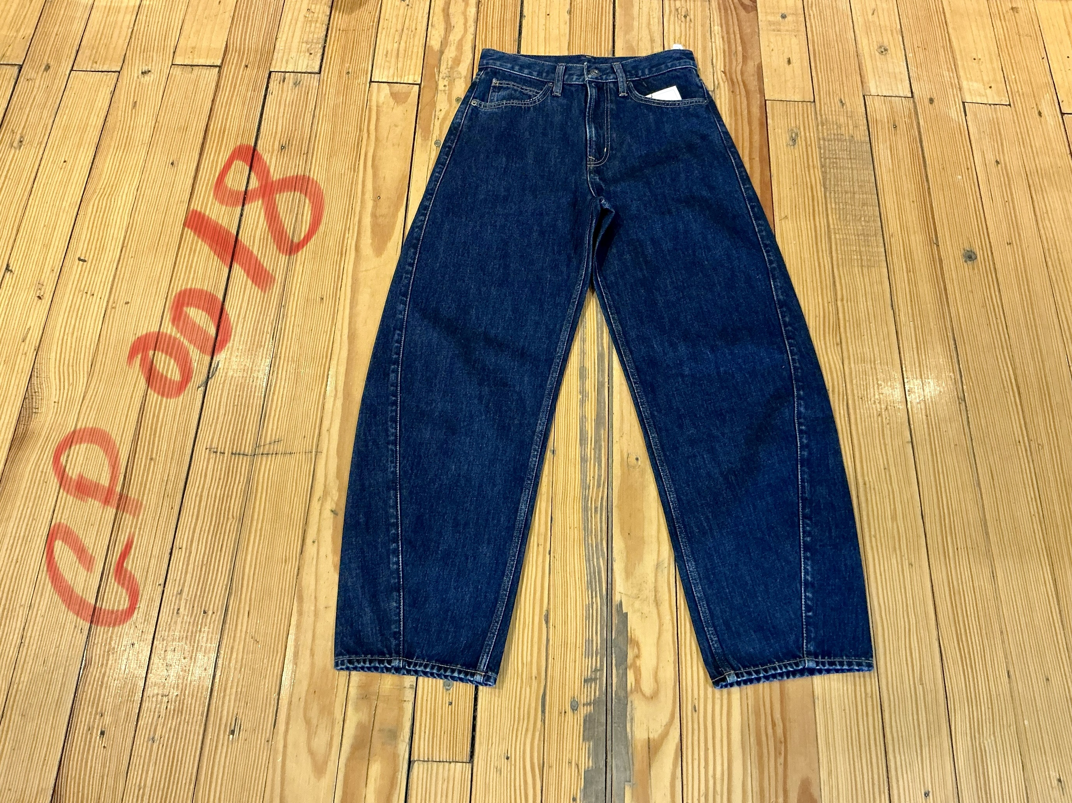
dcr
DATE | 2025-05-05 |  |  | WASH:CODE |  | GP.00018
FINISHER:CODE | WW DK LARKIN |  |  |  |  | DRYPROCESS.AND WET PROCES
MODEL:CODE | D50418 SEMI FITTED
SAP CODE | 60121209
FABRIC:CODE | TAT FUNG INDIANA USCTP
QUANTITY | 1 PCS
ROLL:CODE | ROLL:2403
FAB. WEIGHT
UNITS
TYPE MACHINE
DRYING TIME (Min.) :
COMMENTS:
PAGE |  |  |  | WASH:SUPERVISOR:MODA HUSAM
 | E | of | 1 |  |  |  | Supplier | PH Value
ACTION | TIME | TEMP | Liters | AMT | UNITS | Chemicals
 | WASH ASPER.ORJ

DESIZE | 10 | 50 | 30 | 1 | GRM | LAVA SPERSE
RINSE X2 |  |  | 60 | 5 | GRM | LUBRICANT

WATER FREE ENZYME WASHING | 25 |  |  | 15 | GRM | LAVA CELL NSY
RINSE X2 | 2 | RT | 60 | 200 | GRM | KKT POWDER

WASH CLEAUP | 2 | 50 | 30 | 250 | GRM | PEROXIDE
RINSE | 2 | RT | 60 | 100 | GRM | NEAR CAND OP EXTRA

WASH SOFT | 4 | 35 | 30 | 2 | K/G | CATYONIC SOFT
EXTRACT&DRY

